README
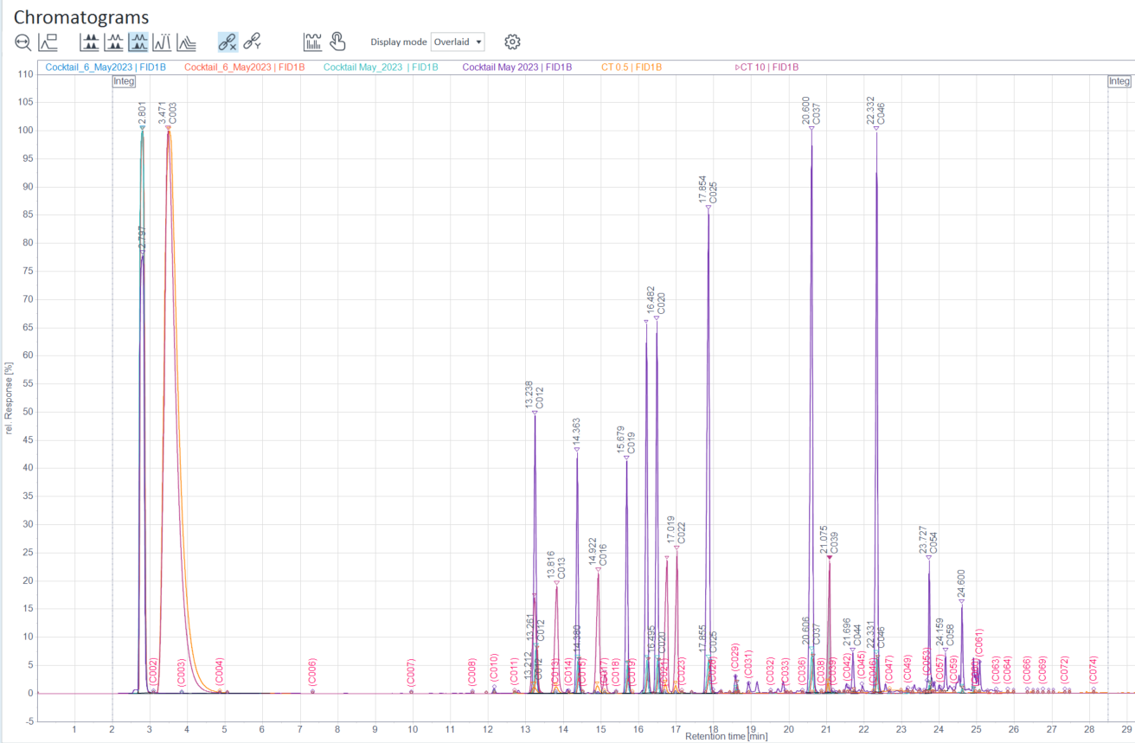

Page 7,8 and 9 are from processing done for 2012 samples- used this subset to ensure that samples aligned from year over year since there was a gap in time. These samples are already on previous sheet so you can disregard

Cocktails to look at alignment. For samples ran Fall 2023 cocktails were notated as Cocktail_XX_May2023. the processing method was completed for samples collected in 2012. looking at this it appears we have a shift of 0.537 min and 0.67 that will have to be accounted for.

